60001146
Measuring Instrument Verification Record
Company name: Mano Engineering LLC |  |  |  | Inspector: KK
Part No. | A | B | Thread Test | Remark
1 | 0.622 | 0.5 | PASSED
2 | 0.6215 | 0.499 | PASSED
3 | 0.6215 | 0.5 | PASSED
4 | 0.6215 | 0.5 | PASSED
5 | 0.6215 | 0.4985 | PASSED
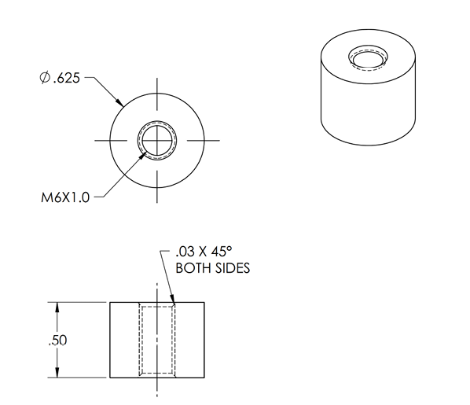

A

B

610129128B
Measuring Instrument Verification Record
Company name: Mano Engineering LLC |  |  |  |  |  |  | Inspector: KK
Part No. | A | B | C | D | E | Thread Test | Who Test
1 | 10.02 | 5.09 | 5.87 | 10.02 | 5.96 | PASS | PASS
2 | 10 | 5.07 | 5.83 | 11.98 | 5.94 | PASS | PASS
3 | 9.99 | 5.06 | 5.89 | 11.97 | 5.92 | PASS | PASS
4 | 10 | 5.06 | 5.87 | 11.98 | 5.93 | PASS | PASS
5 | 10.01 | 5.07 | 5.9 | 11.97 | 5.93 | PASS | PASS
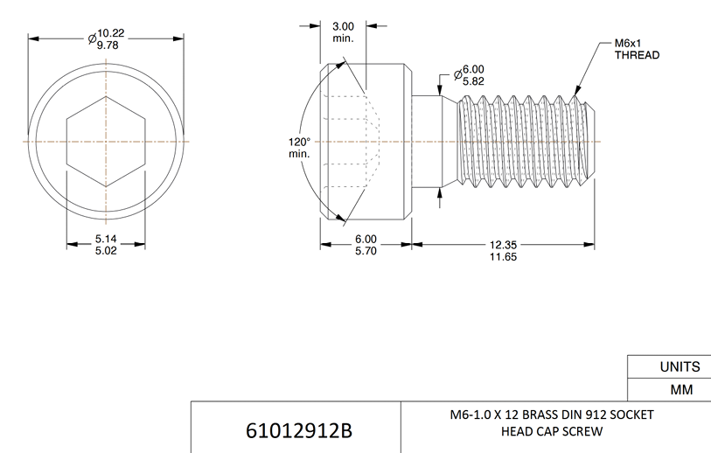
A
E

B
C
D

